Hiearchy View
CLASS: ELEVATOR GUIDE RAILS AND ATTACHMENT
Elevator guide rail is the safety track of the elevator running up and down in the well road; and is also one of the elevator spare parts. It can be known that the guide rail is be installed on the hoistway wall; and be fixed and connected between guide rail bracket and rail support on the hoistway wall. | 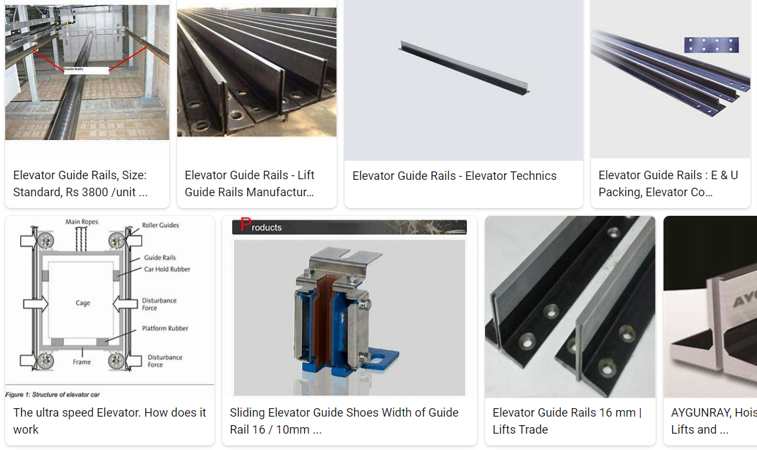
REMOVE | N |  | Class: | ELEVATOR GUIDE RAILS

PROBLEM_DESC | CAUSE_DESC | REMEDY_DESC
ALARM/SENSOR
BROKEN/DAMAGED
NOISE
OTHER PROBLEM
STOPPED/SLOWED/POOR OPS
VIBRATION
Grand Total

